Budget Planner
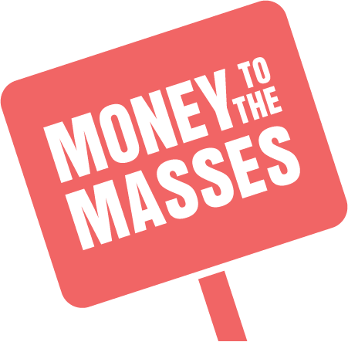 |  | Money to the Masses Budget Planner |  | 

 | moneytothemasses.com

Income |  | Monthly Income (after tax) |  | Total Income | £1,000.00
Monthly Income from employment / self employed | Article | £1,000.00 |  | Total Outgoings | £-
Income from Benefits | Article | £- |  | Leftover | £1,000.00
Income from Investments |  | £-
Income from Savings |  | £-
 |  | £-
 |  | £-
 |  | £- |  | How you spend you money | Total | % of income
 |  | £- |  | Essentials (Needs) | £- | 0%
 |  | £- |  | Discretionary (Wants) | £- | 0%
 |  | £- |  | Clearing Debt, Growing Savings & Investments Clearing Debt, growing savings and investments Clearing Debt, growing savings and investments | £- | 0%
Total |  | £1,000.00 |  | Total | £- | 0%

 |  |  |  | The goals of a good budget are to:
Outgoings |  |  |  | 1 - reduce the cost of essentials
Essentials (Needs) |  | Monthly Cost | % of monthly income | 2 - control discretionary spending
Council Tax | Article | £- | 0% | 3 - clear debt then grow savings & investments to
Gas & Electric | Article | £- | 0% | produce enough income to become financially independent
Water Bill | Article | £- | 0%
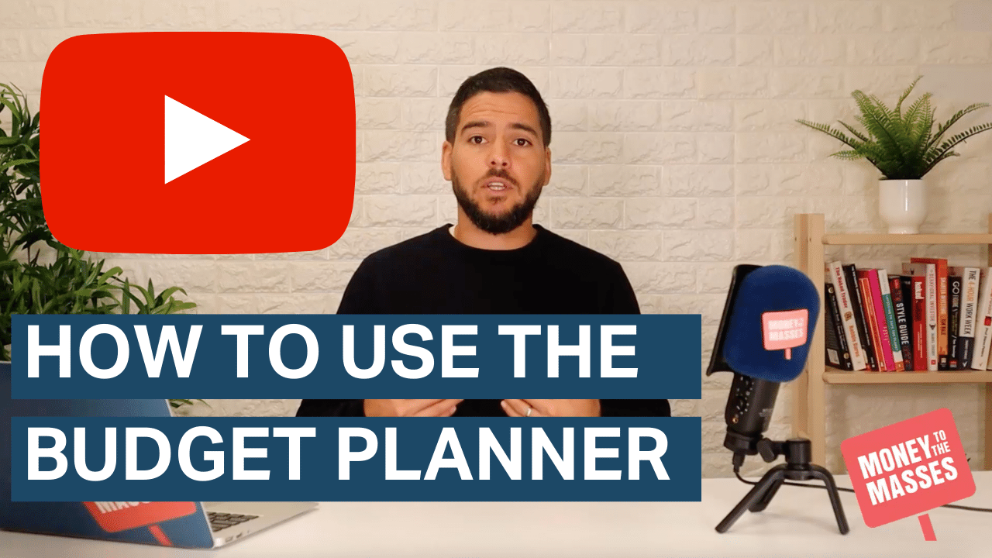
Mortgage / Rent | Article | £- | 0%
Home Insurance | Article | £- | 0%
Car Insurance | Article | £- | 0%
Personal Insurance (Life, Health, Income protection) | Article | £- | 0%
Credit Cards (total min monthly payments) | Article | £- | 0%
Loans | Article | £- | 0%
Mobile | Article | £- | 0%
Broadband | Article | £- | 0%
TV Licence | Article | £- | 0%
Transport & Travel |  | £- | 0%
Groceries | Article | £- | 0%
 |  | £- | 0%
 |  | £- | 0%
 |  | £- | 0%
 |  | £- | 0%
 |  | £- | 0%
 |  | £- | 0% | Further reading
 |  | £- | 0% | Cost of living guide - A complete guide to Cost of Living Payments, eligibility & money saving tips
 |  | £- | 0%
 |  | £- | 0%
 |  | £- | 0%
Discretionary (Wants) |  | Monthly Cost | % of monthly income
TV & entertainment (e.g. Netflix, Sky, Spotify) |  | £- | 0%
Eating Out |  | £- | 0%
Takeaways |  | £- | 0%
Clothing |  | £- | 0%
Health & Beauty |  | £- | 0%
 |  | £- | 0%
 |  | £- | 0%
 |  | £- | 0%
 |  | £- | 0%
 |  | £- | 0%
 |  | £- | 0%
 |  | £- | 0%
 |  | £- | 0%
 |  | £- | 0%
 |  | £- | 0%
 |  | £- | 0%
Debt Repayment / Savings / Investments |  | Monthly Amount | % of monthly income
Short term saving (e.g. Xmas, emergency fund) | Article | £- | 0%
Long term Saving (e.g. deposit for house) | Article | £- | 0%
Investments | Article | £- | 0%
Personal Pension (not work place) | Article | £- | 0%
Debt Repayment (above min monthly payments) |  | £- | 0%
 |  | £- | 0%
 |  | £- | 0%
 |  | £- | 0%
 |  | £- | 0%
Total Outgoings |  | £- | 0%

